Kentland 1
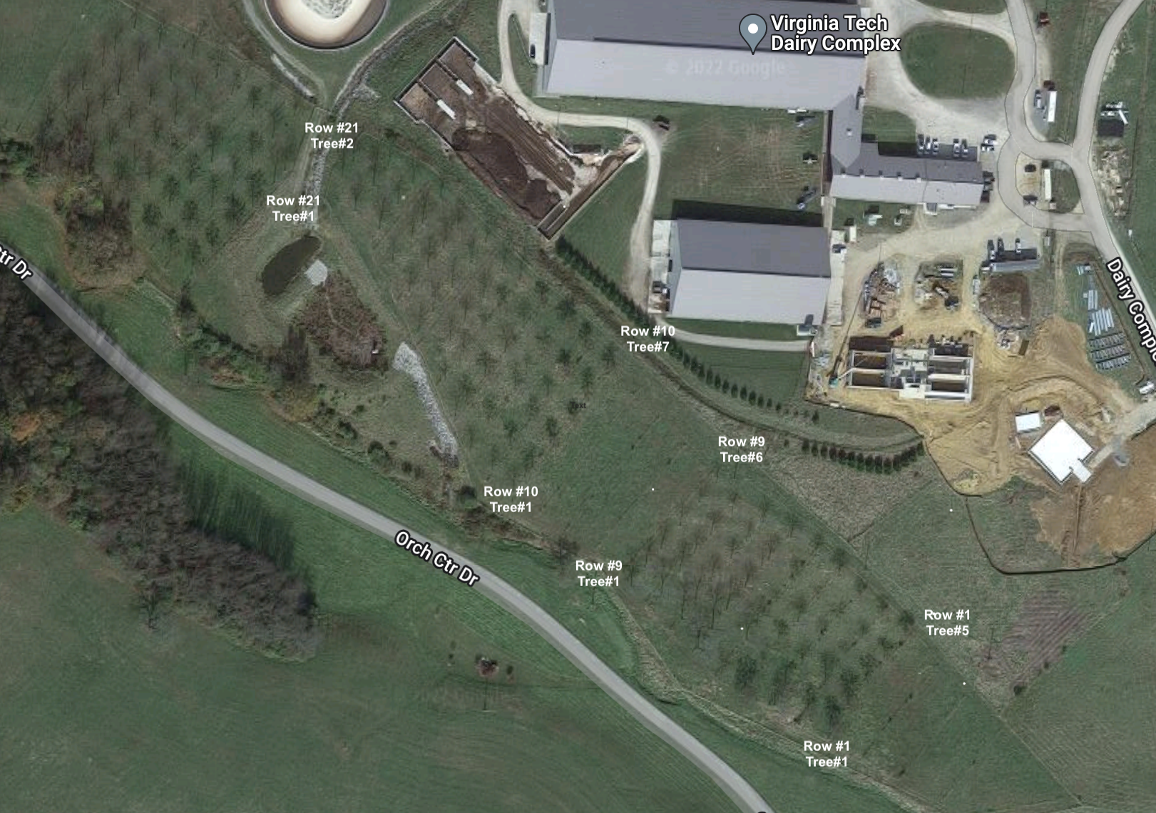
SN | Row# | Tree# | Species | Height (ft) | DBH (In)
1 | 1 | 1 | Honeylocust | 35.2 | 11.6
2 | 1 | 2 | Honeylocust | 39.4 | 11.8
3 | 1 | 3 | Honeylocust | 41.9 | 10.8
4 | 1 | 4 | Honeylocust | 30.6 | 8.8
5 | 1 | 5 | Honeylocust | 36.3 | 10.9
6 | 2 | 1 | Honeylocust | 31.7 | 9.2
7 | 2 | 2 | Honeylocust | 46.7 | 11
8 | 2 | 3 | Honeylocust | 35.7 | 6.8
9 | 2 | 4 | Honeylocust | 37.4 | 7.9
10 | 2 | 5 | Honeylocust | 40.1 | 9
11 | 3 | 1 | Honeylocust | 42.1 | 11.7
12 | 3 | 2 | Honeylocust | 42.8 | 10.2
13 | 3 | 3 | Honeylocust | 25.8 | 8.2
14 | 3 | 4 | Honeylocust | 44.5 | 10.1
15 | 3 | 5 | Honeylocust | 35.1 | 9
16 | 3 | 6 | Honeylocust | 23.4 | 8.3
17 | 4 | 1 | Honeylocust | 44.1 | 12.2
18 | 4 | 2 | Honeylocust | 32.1 | 9.5
19 | 4 | 3 | Honeylocust | 36 | 9.2
20 | 4 | 4 | Honeylocust | 47.3 | 12.4
21 | 4 | 5 | Honeylocust | 23.2 | 6.7
22 | 4 | 6 | Honeylocust | 42.6 | 11.6
23 | 5 | 1 | Honeylocust | 29.6 | 9.3
24 | 5 | 2 | Honeylocust | 51.3 | 14.4
25 | 5 | 3 | Honeylocust | 44.9 | 11.2
26 | 5 | 4 | Honeylocust | 21.5 | 5.3
27 | 5 | 5 | Honeylocust | 27.8 | 8.3
28 | 5 | 6 | Honeylocust | 37.5 | 10.5
29 | 6 | 1 | Blackwalnut | 65.7 | 17.5
30 | 6 | 2 | Blackwalnut | 67.4 | 18.1
31 | 6 | 3 | Blackwalnut | 60 | 14.9
32 | 6 | 4 | Blackwalnut | 47.1 | 11.8
33 | 6 | 5 | Blackwalnut | 43.2 | 9.7
34 | 6 | 6 | Blackwalnut | 51.7 | 13.7
35 | 6 | 7 | Blackwalnut | 38.8 | 14
36 | 7 | 1 | Blackwalnut | 60.8 | 15.9
37 | 7 | 2 | Blackwalnut | 57 | 12.4
38 | 7 | 3 | Blackwalnut | 48.2 | 12
39 | 7 | 4 | Blackwalnut | 44.5 | 11.8
40 | 7 | 5 | Blackwalnut | 43.1 | 10.6
41 | 7 | 6 | Blackwalnut | 42.2 | 11.9
42 | 8 | 1 | Blackwalnut | 55.1 | 15.4
43 | 8 | 2 | Blackwalnut | 63 | 13
44 | 8 | 3 | Blackwalnut | 52.4 | 11.3
45 | 8 | 4 | Blackwalnut | 42 | 12.6
46 | 8 | 5 | Blackwalnut | 41 | 10.5
47 | 9 | 1 | Blackwalnut | 47.9 | 16.3
48 | 9 | 2 | Blackwalnut | 56.4 | 13.1
49 | 9 | 3 | Blackwalnut | 46.3 | 12.4
50 | 9 | 4 | Blackwalnut | 31.3 | 11.8
51 | 9 | 5 | Blackwalnut | 31.4 | 10.3
52 | 9 | 6 | Blackwalnut | 28.6 | 7.8
53 | 10 | 1 | Honeylocust | 34.8 | 9.4
54 | 10 | 2 | Honeylocust | 37.8 | 9.8
55 | 10 | 3 | Honeylocust | 30.3 | 7.6
56 | 10 | 4 | Honeylocust | 28.9 | 8.2
57 | 10 | 5 | Honeylocust | 30 | 8.1
58 | 10 | 6 | Honeylocust | 29.1 | 9.4
59 | 10 | 7 | Honeylocust | 27.9 | 9.5
60 | 11 | 1 | Honeylocust | 26.5 | 8.4
61 | 11 | 2 | Honeylocust | 27.1 | 8.2
62 | 11 | 3 | Honeylocust | 38.1 | 9.2
63 | 11 | 4 | Honeylocust | 33.2 | 7.7
64 | 11 | 5 | Honeylocust | 27.6 | 8.3
65 | 11 | 6 | Honeylocust | 38.8 | 9.2
66 | 12 | 1 | Honeylocust | 29.4 | 8.1
67 | 12 | 2 | Honeylocust | 35.4 | 9.1
68 | 12 | 3 | Honeylocust | 34.4 | 10.3
69 | 12 | 4 | Honeylocust | 31.7 | 7.3
70 | 12 | 5 | Honeylocust | 31.1 | 8.6
71 | 12 | 6 | Honeylocust | 30.1 | 11.2
72 | 13 | 1 | Honeylocust | 39 | 11.5
73 | 13 | 2 | Honeylocust | 28.3 | 8.5
74 | 13 | 3 | Honeylocust | 32.7 | 9
75 | 13 | 4 | Honeylocust | 49.2 | 11.4
76 | 13 | 5 | Honeylocust | 35.9 | 10
77 | 13 | 6 | Honeylocust | 26.2 | 8.8
78 | 14 | 1 | Honeylocust | 27.3 | 7.5
79 | 14 | 2 | Honeylocust | 33.9 | 8.4
80 | 14 | 3 | Honeylocust | 28.4 | 6.5
81 | 14 | 4 | Honeylocust | 31.2 | 7.1
82 | 14 | 5 | Honeylocust | 45.9 | 11.9
83 | 15 | 1 | Blackwalnut | 31.6 | 6.9
84 | 15 | 2 | Blackwalnut | 39.4 | 9
85 | 15 | 3 | Blackwalnut | 42 | 11.7
86 | 15 | 4 | Blackwalnut | 44.2 | 10.3
87 | 15 | 5 | Blackwalnut | 45.2 | 12.5
88 | 16 | 1 | Blackwalnut | 42.5 | 8.8
89 | 16 | 2 | Blackwalnut | 43 | 11.2
90 | 16 | 3 | Blackwalnut | 49.3 | 10.9
91 | 16 | 4 | Blackwalnut | 44 | 10.3
92 | 16 | 5 | Blackwalnut | 38.8 | 11.6
93 | 17 | 1 | Blackwalnut | 40.5 | 11.9
94 | 17 | 2 | Blackwalnut | 42.6 | 12.2
95 | 17 | 3 | Blackwalnut | 44.7 | 12.5
96 | 17 | 4 | Blackwalnut | 41.6 | 11.4
97 | 18 | 1 | Blackwalnut | 42.3 | 9.5
98 | 18 | 2 | Blackwalnut | 56.4 | 11.2
99 | 18 | 3 | Blackwalnut | 56.4 | 14.2
100 | 18 | 4 | Blackwalnut | 43.9 | 12
101 | 19 | 1 | Blackwalnut | 51.4 | 14.4
102 | 19 | 2 | Blackwalnut | 46.2 | 12.9
103 | 19 | 3 | Blackwalnut | 43.3 | 12.1
104 | 20 | 1 | Blackwalnut | 56.1 | 13.2
105 | 20 | 2 | Blackwalnut | 48.7 | 14.9
106 | 20 | 3 | Blackwalnut | 50 | 11.4
107 | 21 | 1 | Blackwalnut | 48.1 | 12.5
108 | 21 | 2 | Blackwalnut | 45.8 | 12

